Sheet1
 |  | Document No. |  | Issue No. |  | Issue Date |  |  | Review and Replace Date |  |  | Authorised By
 |  | GFF313MC |  | 5 |  | 19.10.2021 |  |  | 29.03.2023 |  |  | Magda Shah
 |  | Document Title | Chipotle Chicken with Sweetcorn and Brown Rice 400g
Document amendments reason for change |  | Tray & Film Changed Brown Rice recipe name changed |  |  | Page 1 of 1 |  | Previous Issue Date |  |  | 21.12.2022 |  | Uncontrolled copy unless signed original

FCCBWR1-R8TMC | MINDFUL CHEF |  |  | Chipotle Chicken with Sweetcorn and Brown Rice 400g | FROZEN
STEP 1 |  |  |  | STEP 2 |  |  |  |  |  |  | STEP 3
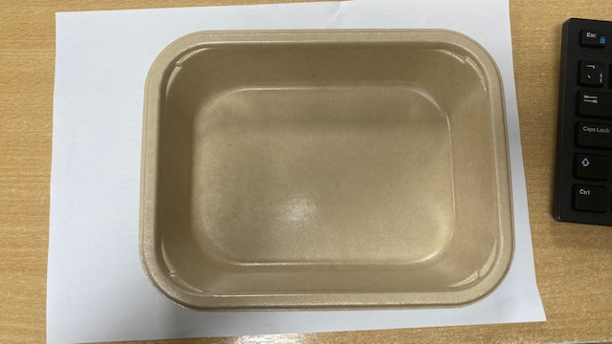 |  |  |  | 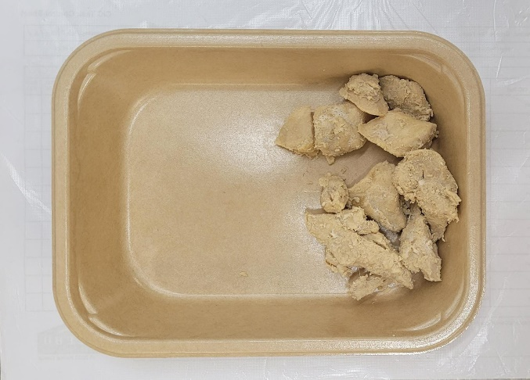 |  |  |  |  |  |  | 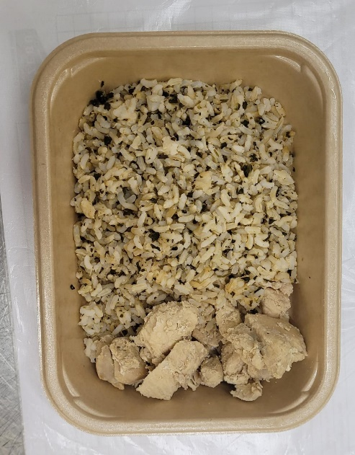

PACK DAY + 1 YEAR
NON-MAP PACK

Tray: Flat Tray-PET Fresh Fibre Food Tray (200 x 155 x 39)-PKHUH001-01 |  |  |  | Mindful Chef Cooked Chicken(GFF357R): 70g |  |  |  |  |  |  | Coriander Brown Rice (GFF255R): 100g

Film: K peel 7G+25A/f-275mm-(PKKMP001-03)
STEP 4 |  |  |  |  |  |  |  | STEP 5
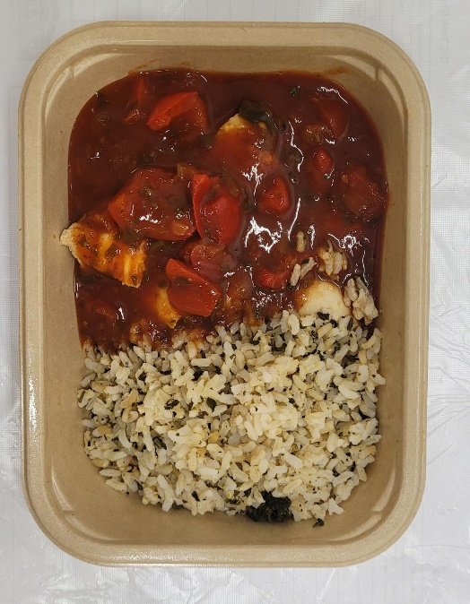 |  |  |  |  |  |  |  | 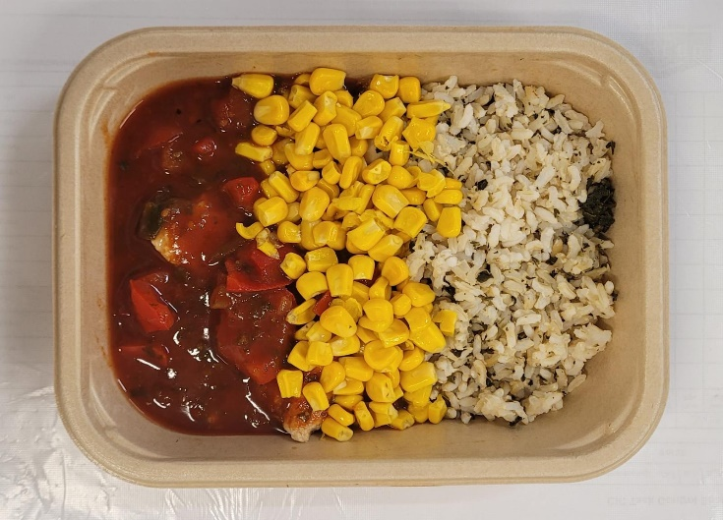

Chipotle Sauce (MC) (GFF380R): 190g |  |  |  |  |  |  |  | Steamed Sweetcorn (MC) (GFF361R): 40g |  |  |  |  | TOTAL WEIGHT: 400g

ALLERGY ALERT: SOYA

